registration
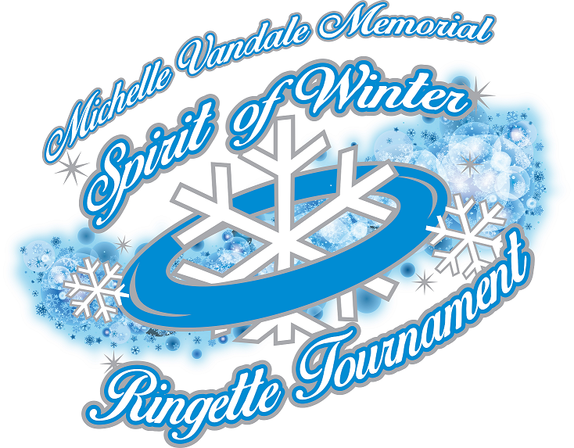
Fraser Valley Ringette Association
Michelle Vandale Memorial Spirit of Winter
Tournament Nov 30 to Dec 2, 2018

Registration to be complete by October 15, 2018 |  |  |  |  |  |  |  |  |  | Ordinal Number:
Association: |  |  |  |  |  |  |  | Division: |  |  | Level:
Jersey Color: |  |  |  |  |  |  |  | Team Name:
Team Contact: |  |  |  |  |  |  |  | E-mail:
* Phone: |  |  |  |  | * Cell: |  |  |  | Fax:
Mailing Address:
Bench staff have signed and returned to their Association the appropriate code of conduct form?YES or NO

Team Staff Information (only 5 Bench Staff)
Position |  |  | Name |  |  | Phone (H) | Cell (Required) |  |  | E-mail (Required)
Head Coach
Asst. Coach
Asst. Coach
Asst. Coach
Manager
Player Information
# | Alt # | AC/C |  | Player Name |  |  |  |  |  |  | Position
99 |  | C |  | Ringette Star |  |  |  |  |  |  | Center

Note: Pick up players must be in accordance to BCRA rules and must be identified with a 'P' by their name.
In an effort to help us ensure that the player's names and numbers are typed correctly in the program and on the game sheets, please email this EXCEL file to mvmsowregistrar@gmail.com

